Allocation Model Summary
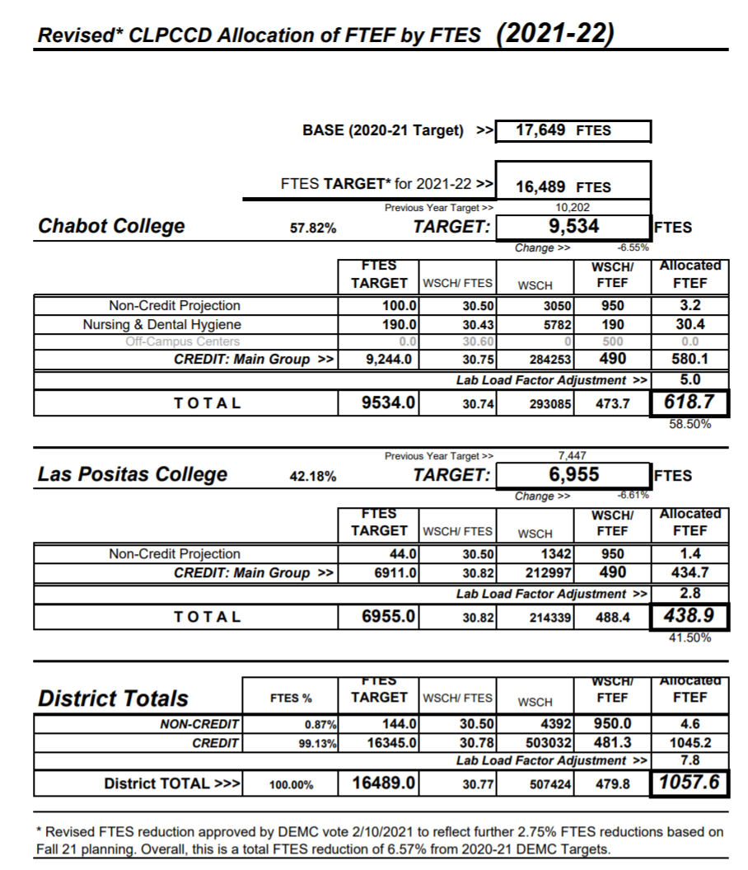
FY 2021-22 Simulation |  | Chabot Las-Positas Community College District
 |  | Internal Resource Allocation Model

Step 1 Revenues
 | a. Revenues including base |  |  |  |  | $113,534,444
 | b. Revenues exclusive of basic funding |  |  |  |  | $104,324,790

Step 2 Costs
Contractual |  |  |  |  |  | (1,012,192)
Regulatory |  |  |  |  |  | (11,746,929)
Committed |  |  |  |  |  | (1,866,498)
Subtotal |  |  |  |  |  | $98,908,825

Step 3 M&O | Total Cost of Ownership (FY 2020-21 base + COLA) |  |  |  |  | (8,696,991)
Subtotal (amount left to distribute) |  |  |  |  |  | $90,211,834

Step 4 College Specific Allocations |  | Chabot College | Las Positas College | M&O | District Office
Distribute Basic Funding |  | 4,959,046 | 4,250,609 |  |  | 9,209,654
Distribute FTF Funding 2015-16 (DEMC % Split) |  | 483,835 | 352,955 |  |  | 836,790
Distribute FTF Funding 2021-22 (DEMC % Split) |  | 937,622 | 683,990 |  |  | 1,621,612
Distribute Other College Specific Allocations |  | - | - |  |  | -
Distribute DEMC Target FTES Funding above 3-year average |  | - | - |  |  | -

College Allocations Prior to DO Distribution |  | 6,380,503 | 5,287,554 |  |  | 11,668,056
Subtotal (amount left to distribute) |  |  |  |  |  | 78,543,778

Step 5 Distribute District Office |  |  |  |  | $10,476,823
Subtotal (amount left to distribute) |  |  |  |  |  | $68,066,955

Step 6 Distribute Remainder on SCFF % |  | $40,657,563 | $27,409,392 |  |  | $68,066,955
 |  | 59.73% | 40.27%

 |  | Chabot College | Las Positas College | M&O | District Office | Total
Site Allocations |  | $47,038,066 | $32,696,946 | $8,696,991 | $10,476,823 | $98,908,825
 |  |  |  |  |  | - | ck
Internal Adjustments Outside of BAM
Distribute Hold Harmless Funding (55% Year 1, decline every year after) |  | $3,509,312 | $2,560,024
based on DEMC % but could be based off SCFF

 |  |  |  |  |  | 100.0%

Site Recap: |  | Chabot College | Las Positas College | M&O | District Office | Total
FY 2021-22 Simulation |  | $50,547,378 | $35,256,970 | $8,696,991 | $10,476,823 | 104,978,161

 |  |  |  |  |  | (0.00) | ck

FTES Allocation
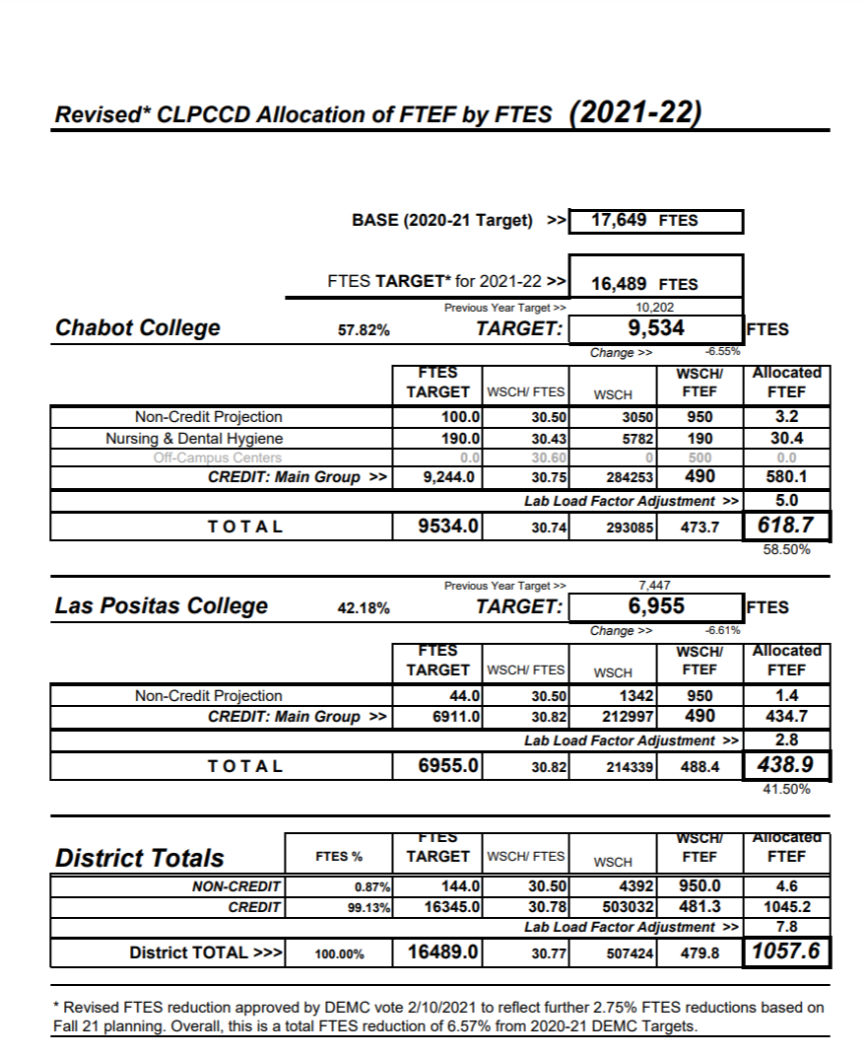
Chabot-Las Positas Community College District
 | 2018-19 | 2019-20 | 2020-21 | 2021-22 (est.) | Rolling Average over 3 years FY 2020-21 (Credit FTES only) | Rolling Average over 3 years FY 2021-22 (Credit FTES only)

Credit | 15,129.13 | 16,416.02 | 16,416.02 | 15,964.31 | 15,987.06 | 16,265.45
Special Admit | 366.30 | 387.88 | 387.88 | 380.69
Incarcerated Credit | - | - | - | - | 15,987.06 | 16,265.45
Non-Credit | 170.56 | 360.10 | 360.10 | 144.00
CDCP | - | - | - | -
Total | 15,665.99 | 17,164.00 | 17,164.00 | 16,489.00

Chabot College
 | 2018-19 | 2019-20 | 2020-21 | 2021-22 (est.) | Rolling Average over 3 years FY 2020-21 (Credit FTES only) | Rolling Average over 3 years FY 2021-22 (Credit FTES only)

Credit | 8,657.56 | 9,572.76 | 9,572.76 | 9,262.75 | 9,267.69 | 9,469.42
Special Admit | 156.86 | 178.44 | 178.44 | 171.25
Incarcerated Credit | - | - | - | - | 9,267.69 | 9,469.42
Non-Credit | 112.57 | 312.43 | 312.43 | 100.00
CDCP | - | - | - | -
Total | 8,926.99 | 10,063.63 | 10,063.63 | 9,534.00 | 57.82%

Las Positas College
 | 2018-19 | 2019-20 | 2020-21 | 2021-22 (est.) | Rolling Average over 3 years FY 2020-21 (Credit FTES only) | Rolling Average over 3 years FY 2021-22 (Credit FTES only)

Credit | 6,471.57 | 6,843.26 | 6,843.26 | 6,701.56 | 6,719.36 | 6,796.03
Special Admit | 209.44 | 209.44 | 209.44 | 209.44
Incarcerated Credit | - | - | - | - | 6,719.36 | 6,796.03
Non-Credit | 57.99 | 47.67 | 47.67 | 44.00
CDCP | - | - | - | -
Total | 6,739.00 | 7,100.37 | 7,100.37 | 6,955.00 | 42.18%

